Sheet1
 |  | Document No. | Issue No. | Issue Date |  | Review and Replace Date |  | Authorised By
 |  | GFF263MC | 1 | 26.05.2021 |  | New issue
 |  | Document Title | Butter Chicken with Pilau Rice 400g
 |  |  |  |  |  |  |  | Magda Shah
Document amendments reason for change |  | New document | Page 1 of 1 |  | Previous Issue Date |  | New issue | Uncontrolled copy unless signed original

CCBUR-R6TCC | DUNNES (CC) |  | Butter Chicken with Pilau Rice 400g | CHILLED
STEP 1 |  |  |  |  | STEP 2
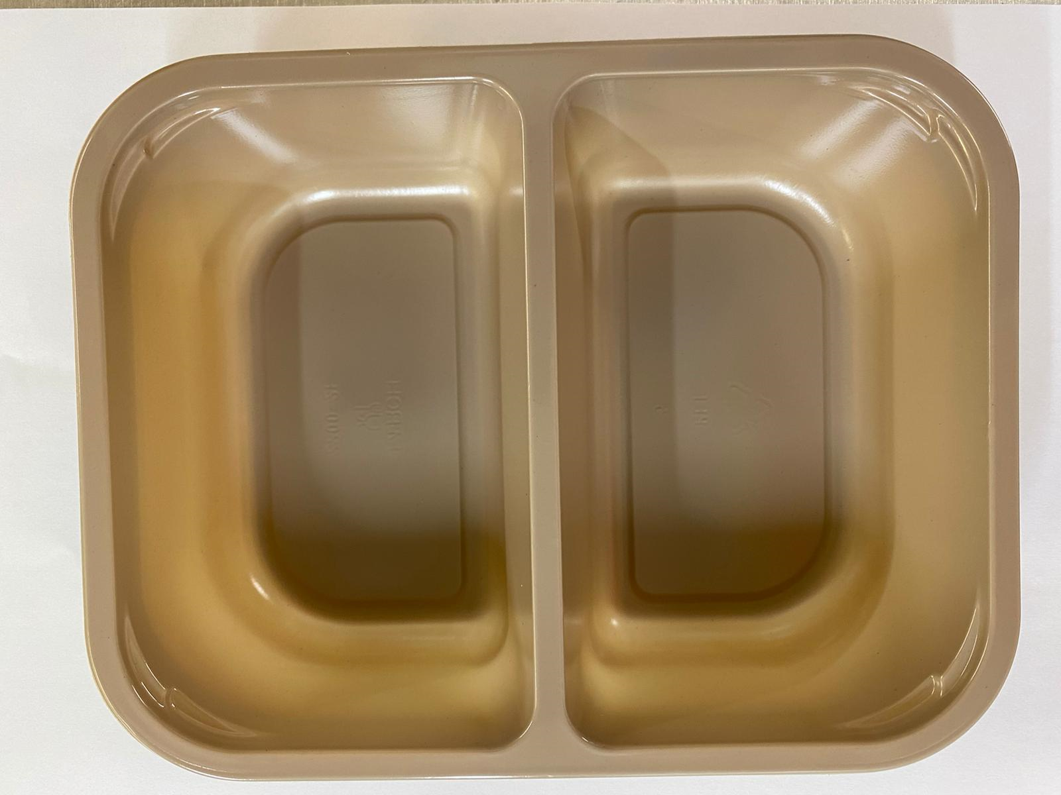 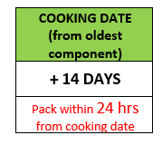 |  |  |  |  | 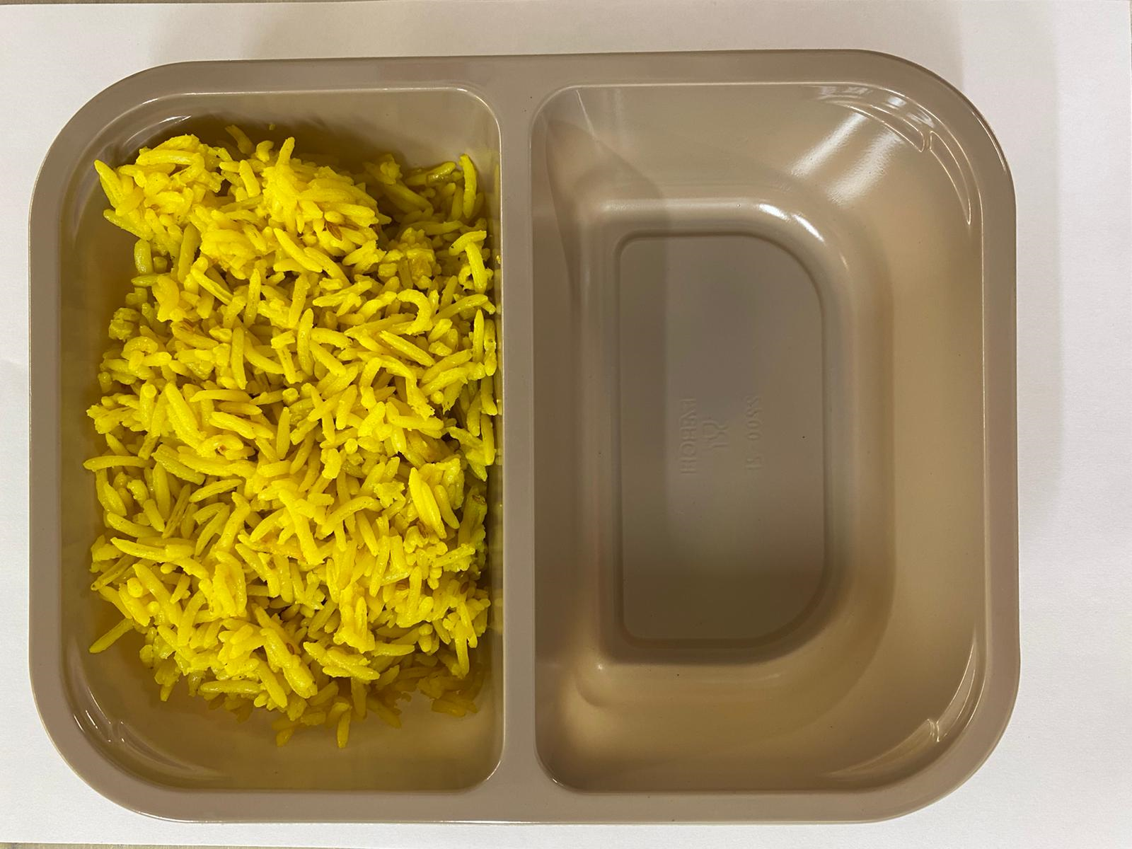

Tray: Evolve CPET 2200-2F (PKRHP001-10) |  |  |  |  | Pilau Rice (GFF143R): 165g
LINE 1: Mylar 250LAF 250mm x 1000 (PKWRA001-08)
LINE 1: K-Peel 75G + AF 25 250mm (PKKMP001-01)
LINE 2: Mylar 25OLAF - 380mm wide (PKWRA001-02)
STEP 3 |  |  |  |  | STEP 4
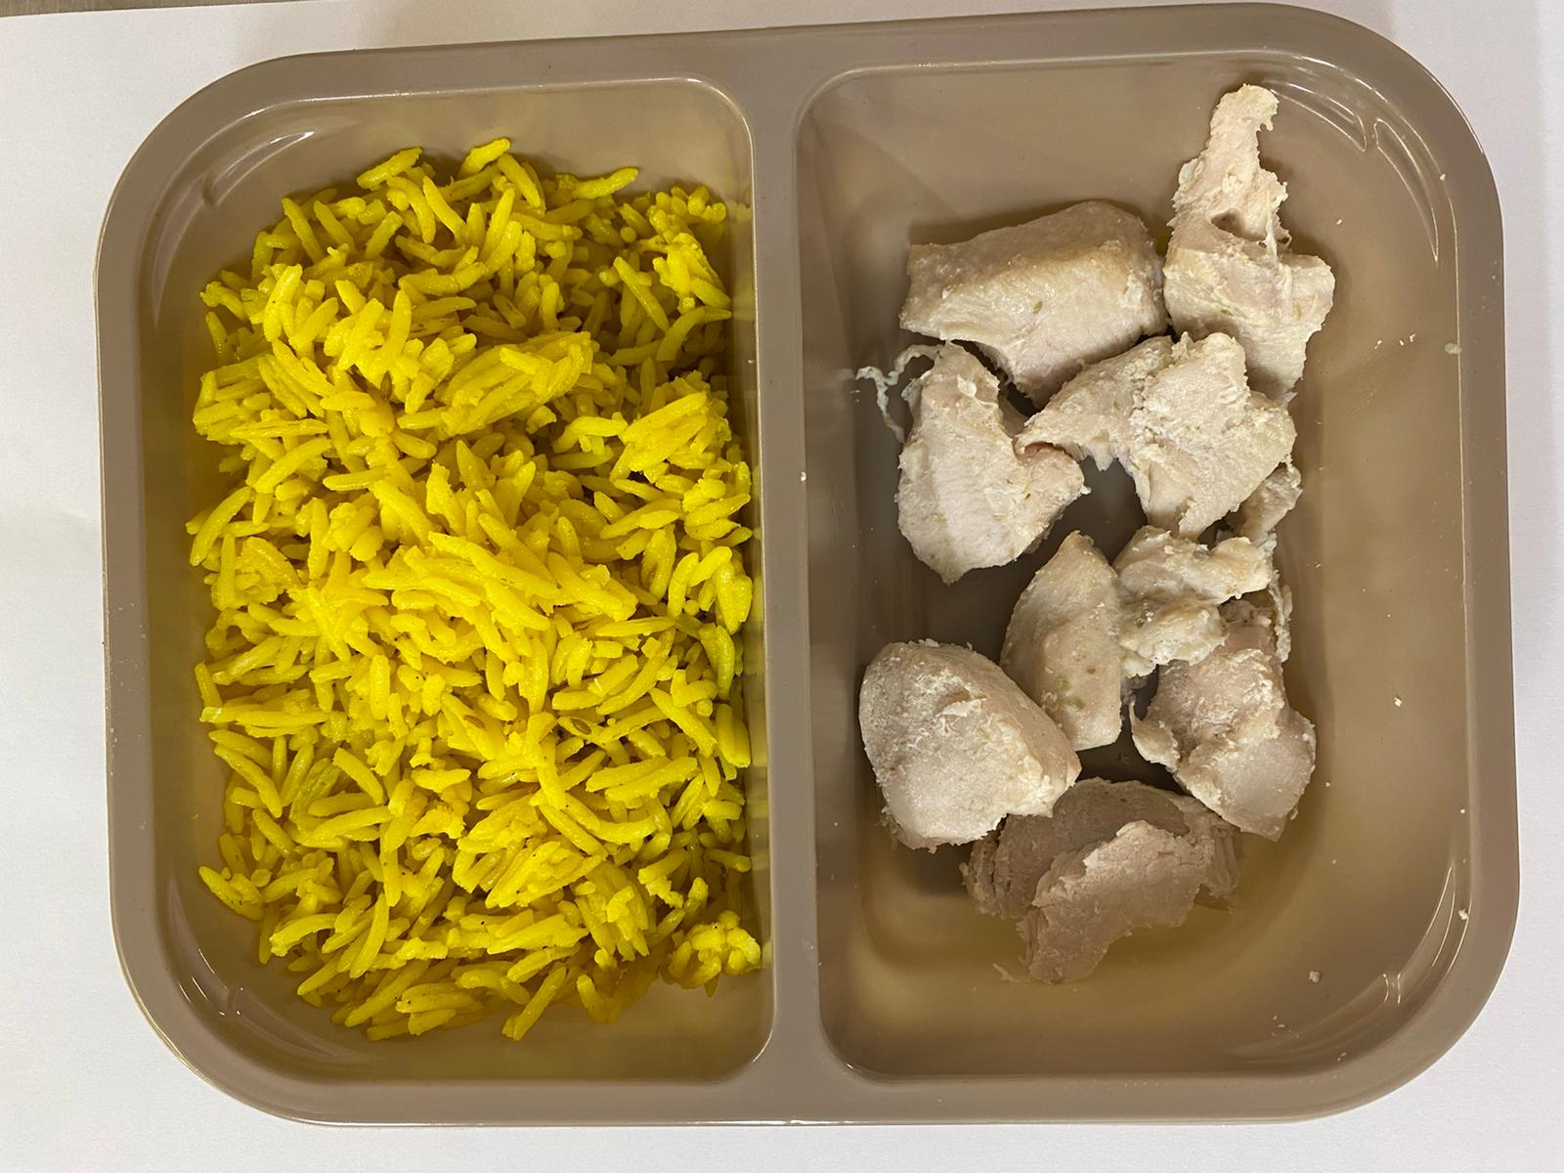 |  |  |  |  | 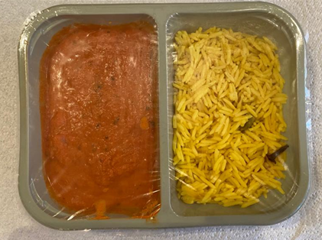

British Diced Breast Chicken 12-14g (Marinated) (GFF164R): 75g |  |  |  |  | Butter Sauce (GFF134R): 160g |  |  |  | TOTAL WEIGHT: 400g
(7 - 9 pieces of chicken)
ALLERGY ALERT: MILK, BARLEY

